Sheet1
 |  | Document No. | Issue No. | Issue Date |  | Review and Replace Date |  | Authorised By
 |  | GFF063MC | 2 | 17.12.2018 |  | 01.10.2019
 |  | Document Title | CREAMY COCONUT FISH PIE WITH SWEET POTATO MASH 430g
 |  | Paprika changed to Heat Treated |  |  | Page |  | 1 of 1 | Magda Shah
Document amendments reason for change |  |  |  |  | Previous Issue Date |  | 17.12.2018 | Uncontrolled copy unless signed original

FFPPM-R8TMC | MINDFUL CHEF |  | CREAMY COCONUT FISH PIE WITH SWEET POTATO 430g │ FROZEN
STEP 1 |  |  |  |  | STEP 2


PACK DAY + 1 YEAR

Tray: WHITE OVENABLE BOARD TRAY (PKSOU002-01) |  |  |  |  | FISH PIE MIX(GFF230R): 252g
Film: 145 X 100 X 250 (PKWRA001-07)
STEP 3 |  |  | STEP 4 |  |  |  | STEP 5
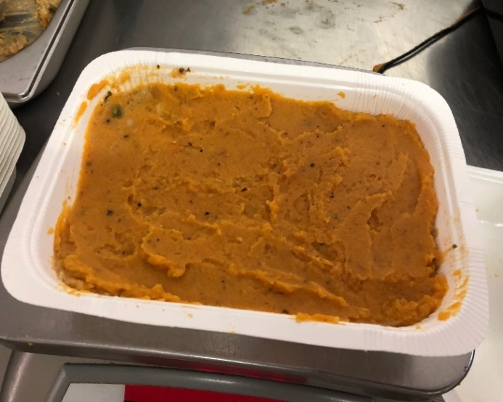 |  |  | 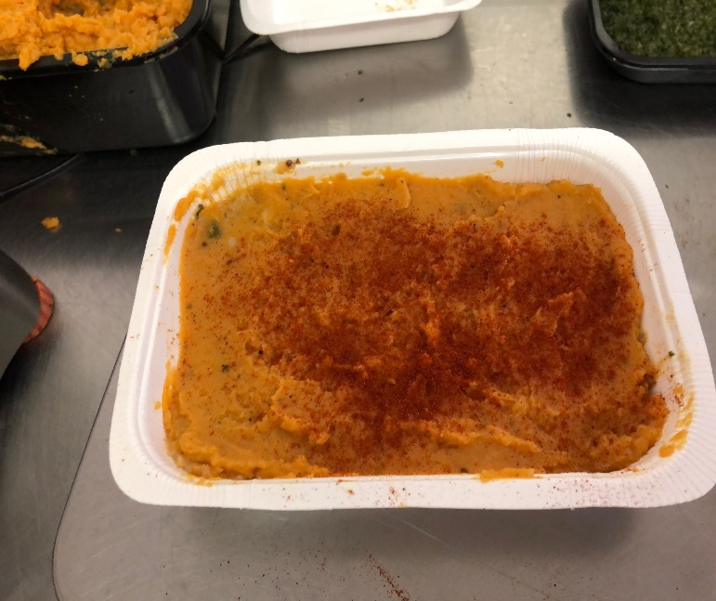 |  |  |  | 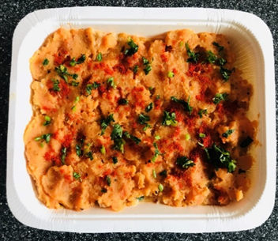

SWEET POTATO MASH (GFF232R): 175g |  |  | PAPRIKA HEAT TREATED (RMVIR001-64): 1g |  |  |  | PARSLEY CHOPPED RTE (RMIHF001-59): 2g
 |  |  |  |  |  |  | Follow the Weight Requirement
 |  |  |  |  |  |  | Declared Weight must be 430g Minimum
ALLERGY ALERT: FISH, MUSTARD

